Sheet1
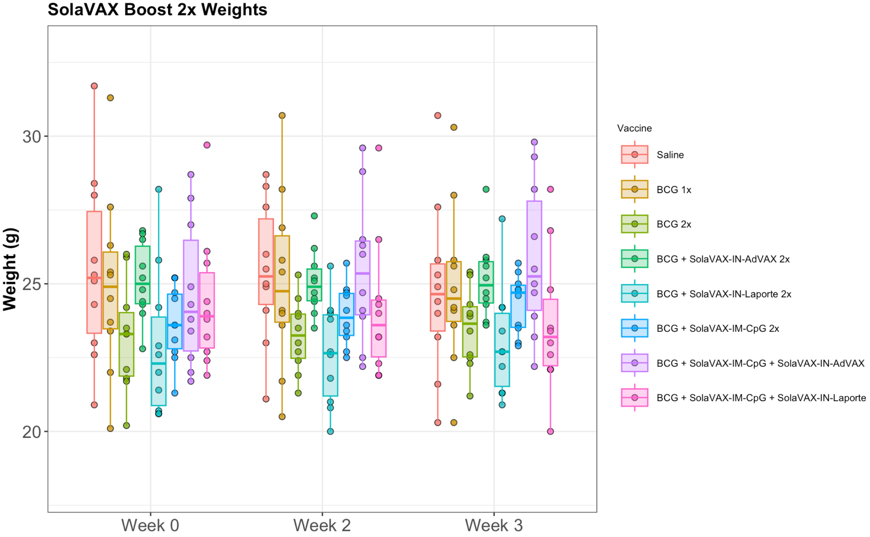
Vaccine | Group | Cage | mouse | Week 0 | Week 2 | Week 3
Saline | Group-1 | 35404 | 1 | 24.3 | 24.9 | 30.7
Saline | Group-1 | 35404 | 2 | 20.9 | 21.1 | 25.3
Saline | Group-1 | 35404 | 3 | 25.3 | 25.5 | 21.6
Saline | Group-1 | 35404 | 4 | 25.8 | 26 | 27.6
Saline | Group-1 | 35404 | 5 | 28 | 28.7 | 24
Saline | Group-1 | 35406 | 1 | 25.1 | 25 | 24.9
Saline | Group-1 | 35406 | 2 | 23 | 24.1 | 24.4
Saline | Group-1 | 35406 | 3 | 28.4 | 27.6 | 25.8
Saline | Group-1 | 35406 | 4 | 31.7 | 28.3 | 20.3
Saline | Group-1 | 35406 | 5 | 22.6 | 23 | 23.2
BCG 1x | Group-2 | 35399 | 1 | 26.3 | 26.9 | 25.6
BCG 1x | Group-2 | 35399 | 2 | 25.4 | 25.8 | 25.8
BCG 1x | Group-2 | 35399 | 3 | 20.1 | 20.5 | 20.3
BCG 1x | Group-2 | 35399 | 4 | 24.5 | 24.1 | 24.1
BCG 1x | Group-2 | 35399 | 5 | 31.3 | 30.7 | 30.3
BCG 1x | Group-2 | 35405 | 1 | 22 | 21.7 | 22.5
BCG 1x | Group-2 | 35405 | 2 | 23.4 | 23.6 | 23.6
BCG 1x | Group-2 | 35405 | 3 | 27.6 | 28.2 | 28
BCG 1x | Group-2 | 35405 | 4 | 23.7 | 24 | 24.2
BCG 1x | Group-2 | 35405 | 5 | 25.3 | 25.4 | 24.8
BCG + SolaVAX-IM-CpG 2x | Group-3 | 35398 | 1 | 21.3 | 22.5 | 23
BCG + SolaVAX-IM-CpG 2x | Group-3 | 35398 | 2 | 24.7 | 24.8 | 25.4
BCG + SolaVAX-IM-CpG 2x | Group-3 | 35398 | 3 | 23.6 | 24.1 | 24.6
BCG + SolaVAX-IM-CpG 2x | Group-3 | 35398 | 4 | 22.5 | 23.2 | 24.8
BCG + SolaVAX-IM-CpG 2x | Group-3 | 35398 | 5 | 22.7 | 22.7 | 22.9
BCG + SolaVAX-IM-CpG 2x | Group-3 | 35400 | 1 | 25.2 | 25.7 | 25.7
BCG + SolaVAX-IM-CpG 2x | Group-3 | 35400 | 2 | 23.6 | 23.6 | 23.6
BCG + SolaVAX-IM-CpG 2x | Group-3 | 35400 | 3 | 23.1 | 23.4 | 23.5
BCG + SolaVAX-IM-CpG 2x | Group-3 | 35400 | 4 | 24.5 | 24.7 | 24.8
BCG + SolaVAX-IM-CpG 2x | Group-3 | 35400 | 5 | 25.2 | 24.6 | 25
BCG + SolaVAX-IM-CpG + SolaVAX-IN-AdVAX | Group-4 | 35397 | 1 | 24.9 | 26.3 | 28.2
BCG + SolaVAX-IM-CpG + SolaVAX-IN-AdVAX | Group-4 | 35397 | 2 | 23.4 | 23.9 | 23.9
BCG + SolaVAX-IM-CpG + SolaVAX-IN-AdVAX | Group-4 | 35397 | 3 | 27 | 29.6 | 29.8
BCG + SolaVAX-IM-CpG + SolaVAX-IN-AdVAX | Group-4 | 35397 | 4 | 24.3 | 24.1 | 23.2
BCG + SolaVAX-IM-CpG + SolaVAX-IN-AdVAX | Group-4 | 35397 | 5 | 21.7 | 22.2 | 22.2
BCG + SolaVAX-IM-CpG + SolaVAX-IN-AdVAX | Group-4 | 35408 | 1 | 22.5 | 26.5 | 26.6
BCG + SolaVAX-IM-CpG + SolaVAX-IN-AdVAX | Group-4 | 35408 | 2 | 23.8 | 24.7 | 25
BCG + SolaVAX-IM-CpG + SolaVAX-IN-AdVAX | Group-4 | 35408 | 3 | 27.9 | 26 | 25.5
BCG + SolaVAX-IM-CpG + SolaVAX-IN-AdVAX | Group-4 | 35408 | 4 | 22 | 22.5 | 24.7
BCG + SolaVAX-IM-CpG + SolaVAX-IN-AdVAX | Group-4 | 35408 | 5 | 28.7 | 28.8 | 29.3
BCG + SolaVAX-IN-AdVAX 2x | Group-5 | 35407 | 1 | 24 | 24 | 24.5
BCG + SolaVAX-IN-AdVAX 2x | Group-5 | 35407 | 2 | 24.8 | 24.7 | 23.7
BCG + SolaVAX-IN-AdVAX 2x | Group-5 | 35407 | 3 | 25.2 | 25.2 | 25.2
BCG + SolaVAX-IN-AdVAX 2x | Group-5 | 35407 | 4 | 26.5 | 25.1 | 24.7
BCG + SolaVAX-IN-AdVAX 2x | Group-5 | 35407 | 5 | 26.8 | 27.3 | 28.2
BCG + SolaVAX-IN-AdVAX 2x | Group-5 | 35411 | 1 | 24.3 | 24.4 | 25.6
BCG + SolaVAX-IN-AdVAX 2x | Group-5 | 35411 | 2 | 25.6 | 25.6 | 25.8
BCG + SolaVAX-IN-AdVAX 2x | Group-5 | 35411 | 3 | 22.8 | 23.5 | 23.6
BCG + SolaVAX-IN-AdVAX 2x | Group-5 | 35411 | 4 | 26.7 | 26.2 | 24.3
BCG + SolaVAX-IN-AdVAX 2x | Group-5 | 35411 | 5 | 24.4 | 24.5 | 25.9
BCG + SolaVAX-IM-CpG + SolaVAX-IN-Laporte | Group-6 | 35409 | 1 | 23.8 | 24 | 23
BCG + SolaVAX-IM-CpG + SolaVAX-IN-Laporte | Group-6 | 35409 | 2 | 22.4 | 22.3 | 22.1
BCG + SolaVAX-IM-CpG + SolaVAX-IN-Laporte | Group-6 | 35409 | 3 | 22.7 | 21.9 | 22.6
BCG + SolaVAX-IM-CpG + SolaVAX-IN-Laporte | Group-6 | 35409 | 4 | 29.7 | 29.6 | 28.2
BCG + SolaVAX-IM-CpG + SolaVAX-IN-Laporte | Group-6 | 35409 | 5 | 24 | 23.2 | 20
BCG + SolaVAX-IM-CpG + SolaVAX-IN-Laporte | Group-6 | 35414 | 1 | 26.1 | 26.5 | 26.8
BCG + SolaVAX-IM-CpG + SolaVAX-IN-Laporte | Group-6 | 35414 | 2 | 23.2 | 23.2 | 23.5
BCG + SolaVAX-IM-CpG + SolaVAX-IN-Laporte | Group-6 | 35414 | 3 | 25.7 | 24.3 | 23.4
BCG + SolaVAX-IM-CpG + SolaVAX-IN-Laporte | Group-6 | 35414 | 4 | 21.9 | 21.9 | 22.1
BCG + SolaVAX-IM-CpG + SolaVAX-IN-Laporte | Group-6 | 35414 | 5 | 24.4 | 24.5 | 24.8
BCG + SolaVAX-IN-Laporte 2x | Group-7 | 35417 | 1 | 22.6 | 22.7 | 22.7
BCG + SolaVAX-IN-Laporte 2x | Group-7 | 35417 | 2 | 24.2 | 23.8 | 22.2
BCG + SolaVAX-IN-Laporte 2x | Group-7 | 35417 | 3 | 21.4 | 21.8 | 23.4
BCG + SolaVAX-IN-Laporte 2x | Group-7 | 35417 | 4 | 25.8 | 24 | 24.2
BCG + SolaVAX-IN-Laporte 2x | Group-7 | 35417 | 5 | 20.7 | 21 | 21.3
BCG + SolaVAX-IN-Laporte 2x | Group-7 | 35418 | 1 | 22 | 20 | 20.9
BCG + SolaVAX-IN-Laporte 2x | Group-7 | 35418 | 2 | 20.6 | 22.6 | 24.2
BCG + SolaVAX-IN-Laporte 2x | Group-7 | 35418 | 3 | 20.6 | 20.8 | 21.3
BCG + SolaVAX-IN-Laporte 2x | Group-7 | 35418 | 4 | 22.9 | 24.1 | 27.2
BCG + SolaVAX-IN-Laporte 2x | Group-7 | 35418 | 5 | 28.2 | 25.6 | 22.7
BCG 2x | Group-8 | 35413 | 1 | 25.9 | 24 | 23.9
BCG 2x | Group-8 | 35413 | 2 | 24.2 | 23.9 | 23.4
BCG 2x | Group-8 | 35413 | 3 | 23.3 | 22.4 | 22.5
BCG 2x | Group-8 | 35413 | 4 | 21.8 | 21.9 | 22.6
BCG 2x | Group-8 | 35413 | 5 | 22.1 | 23 | 24
BCG 2x | Group-8 | 35416 | 1 | 23.3 | 22.7 | 22.3
BCG 2x | Group-8 | 35416 | 2 | 21.7 | 23.5 | 25.4
BCG 2x | Group-8 | 35416 | 3 | 26 | 25.3 | 21.2
BCG 2x | Group-8 | 35416 | 4 | 23.5 | 24.5 | 25.3
BCG 2x | Group-8 | 35416 | 5 | 20.2 | 21.3 | 24.3

